FINANCIAL
Samco Mutual Fund
HALF YEARLY UNAUDITED FINANCIAL RESULTS OF THE SCHEME OF SAMCO MUTUAL FUND FOR THE PERIOD ENDED SEPTEMBER 30, 2023 (Pursuant to the provisions of Regulation 59 of the Securities and Exchange Board of India(Mutual Funds) Regulations, 1996)

Sr. No. | Particulars |  | Samco Flexicap Fund | Samco Overnight Fund | Samco ELSS Tax Saver Fund | Samco Active Momentum Fund
 |  |  | 01.04.2023 to 30.09.2023 | 01.04.2023 to 30.09.2023 | 01.04.2023 to 30.09.2023 | 12.07.2023 to 30.09.2023
 |  |  |  |  |  | @@

1.1 | Unit Capital at the beginning of the half - year period | (Rs in Crores) | 757.07 | 56.32 | 44.14 | -
1.2 | Unit Capital at the end of the period | (Rs in Crores) | 709.26 | 34.24 | 54.38 | 411.60

2.0 | Reserves & Surplus | (Rs in Crores) | 57.95 | 2.11 | 11.55 | 19.09

3.1 | Total Net Assets at the beginning of the half - year period | (Rs in Crores) | 669.76 | 57.95 | 43.49 | -
3.2 | Total Net Assets at the end of the period | (Rs in Crores) | 767.21 | 36.36 | 65.93 | 430.69

4.1 | NAV at the beginning of the half year period | (Rs)
 | Regular Plan
 | Growth |  | 8.8400 | 1,028.5261 | 9.8500 | NA

 | Direct Plan
 | Growth Option |  | 9.0000 | 1,029.4955 | 9.8900 | NA

4.2 | NAV at the end of the period | (Rs)
 | Regular Plan
 | Growth |  | 10.8000 | 1,060.8177 | 12.1000 | 10.4600

 | Direct Plan
 | Growth Option |  | 11.0700 | 1,063.3192 | 12.2500 | 10.5000

4.3 | Dividend (net) paid per unit during the half - year | (Rs.) | - | - | - | -

 | INCOME
5.1 | Dividend | (Rs in Crores) | 3.87 | - | 0.29 | 1.42
5.2 | Interest | (Rs in Crores) | 0.63 | 1.36 | 0.40 | 3.32
5.3 | Profit/(loss) on sale/redemption of investments(other than inter scheme) | (Rs in Crores) | 9.86 | 0.00 @ | (0.05) | (1.55)
5.4 | Profit/(loss) on inter-scheme transfer/sale of investment | (Rs in Crores) | - | - | - | -

5.5 | Other Income (indicating nature)* | (Rs in Crores) | 1.56 | 0.00 @ | 0.00 @ | 0.07

5.6 | Total Income (5.1 to 5.5) | (Rs in Crores) | 15.91 | 1.36 | 0.64 | 3.25

 | EXPENSES
6.1 | Commission |  | 5.05 | 0.03 | 0.34 | 1.33
 | Other expenses ^ |  | 1.19 | 0.03 | 0.11 | 1.11

6.2 | Management Fees (incl of Service Tax) | (Rs in Crores) | 1.99 | - | 0.16 | 0.65

6.3 | Trusteeship Fees | (Rs in Crores) | 0.03 | 0.00 @ | 0.00 @ | 0.01

6.4 | Total Recurring Expenses (including 6.1 and 6.2) | (Rs in Crores) | 8.23 | 0.06 | 0.61 | 3.09

6.5 | Percentage of Management Fees to daily average net assets (Excluding GST on Management fees) ** | (%)
 | Regular Plan |  | 0.45% | NIL | 0.50% | 0.55%
 | Direct Plan |  | 0.46% | NIL | 0.50% | 0.55%

 | Total Recurring expenses as a percentage of daily average net assets (Including GST on Management fees) ** ## | (%)
 | Regular Plan |  | 2.28% | 0.30% | 2.34% | 2.40%
 | Direct Plan |  | 0.83% | 0.10% | 0.89% | 0.95%

7.1 | Returns during the half year $ [ (+) (-) ]- Regular Plan # |  | 22.17% | 3.14% | 22.84% | NA
7.1.1 | Returns during the half year $ [ (+) (-) ]- Direct Plan # |  | 23.00% | 3.29% | 23.86% | NA
7.2 | Compounded Annualised yield in case of schemes in existence for more than 1 year- Regular Plan #
 | (i) Last 1 year | [%] | 14.29% | NA | NA | NA
 | (ii) Last 3 years | [%] | NA | NA | NA | NA
 | (iii) Last 5 years | [%] | NA | NA | NA | NA
 | (iv) Since the launch of the scheme /plan | [%] | 4.78% | 6.08% | 21.00% | 4.60%

7.2.1 | Compounded Annualised yield in case of schemes in existence for more than 1 year-Direct Plan #
 | (i) Last 1 year | [%] | 16.04% | NA | NA | NA
 | (ii) Last 3 years | [%] | NA | NA | NA | NA
 | (iii) Last 5 years | [%] | NA | NA | NA | NA
 | (iv) Since the launch of the scheme /plan | [%] | 6.36% | 6.33% | 22.50% | 5.00%

7.3 | Returns on Benchmark Index during the half year |  | 19.56% | 3.33% | 19.56% | NA
7.4 | Compounded Annualised yield on Benchmark Index
 | (i) Last 1 year | [%] | 17.63% | NA | NA | NA
 | (ii) Last 3 years | [%] | NA | NA | NA | NA
 | (iii) Last 5 years | [%] | NA | NA | NA | NA
 | (iv) Since the launch of the scheme /plan | [%] | 9.89% | 6.35% | 12.91% | 4.50%
 | Benchmark Index |  | Nifty 500 TRI Index | CRISIL Liquid Overnight Index ^^ | Nifty 500 TRI Index | Nifty 500 TRI Index
8 | Provision for Doubtful Income/Debts | (Rs in Crores) | - | - | - | -
9 | Payments to associate/group companies | (Rs in Crores) | 0.24 | 0.00 @ | 0.01 | 0.02
10 | Investments made in associate/group companies | (Rs in Crores) | - | - | - | -

NA | Not Applicable
($) | Returns during the half year has been calculated on published NAVs for the Growth Option of the scheme. Past performance may or may not be sustained in the future.
(#) | The returns are provided absolute for less than 1 year and returns for more than 1 year period are Compounded Annual Growth Rate (CAGR) The since inception returns are calculated on Rs.10/- invested at inception of all schemes except, Samco Overnight Fund in which case the since inception returns are calculated on Rs.1,000/- invested at inception.
* | Other income includes realised gain/loss on forex, load income and miscelleanous income.
@@ | For all above schemes the half yearly financial results (unaudited) are for the period from April 01, 2023 to September 30, 2023 except for the following scheme(s) :
 | For Samco Active Momentum Fund, the half yearly financial results (unaudited) are for the period from July 05, 2023 to September 30, 2023.
^^ | The benchmark nomenclature of Samco Overnight Fund was changed from CRISIL Overnight Fund AI Index to CRISIL Liquid Overnight Index with effect from April 03, 2023.
@ | Indicates less than 0.005 Crores.
(**) | Indicates annualised for the period. Where value is 0.00%, it indicates % are less than 0.005%
^ | Other Expenses includes transaction cost
## | Transaction costs are excluded while computing the total recurring expenses.

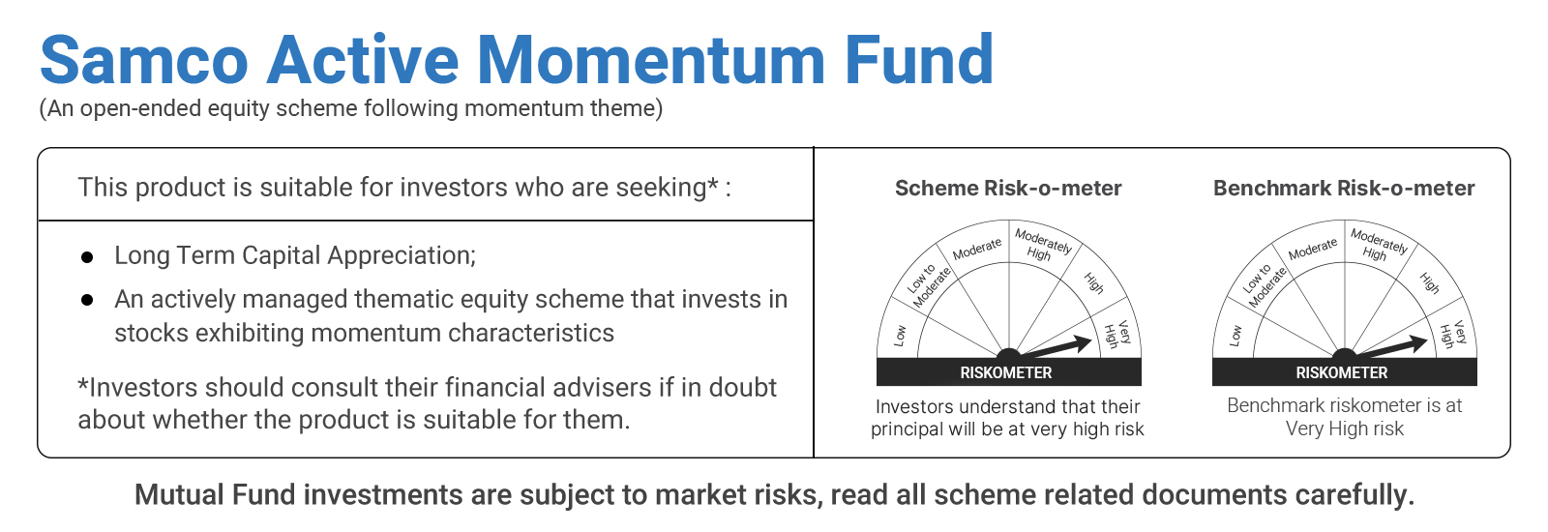

 | MUTUAL FUND INVESTMENTS ARE SUBJECT TO MARKET RISKS, READ ALL SCHEME RELATED DOCUMENTS CAREFULLY

